Sheet1
Row Labels | Sum of Sales |  | Row Labels | Count of Product Name
2015 | 205362.724 |  | Central | 1156 | Row Labels | Sum of Sales | 1082910.8187
2016 | 216048.89 |  | East | 1369 | Jan | 57k
2017 | 310312.9618 |  | South | 810 | Feb | 41k
2018 | 351186.2429 |  | West | 1587 | Mar | 64k
4922
Grand Total | 1082910.8187 |  | Grand Total | 4922 | Apr | 68k
 |  |  |  | 4922 | May | 77k
 | 1082910.8187 |  |  |  | Jun | 87k
 |  |  |  |  | Jul | 60k
 |  |  |  |  | Aug | 76k
 |  |  |  |  | Sep | 122k
 |  |  |  |  | Oct | 90k
 |  |  |  |  | Nov | 167k
 |  |  |  |  | Dec | 173k
Row Labels | Sum of Postal Code |  |  |  | Grand Total | 1083k
Consumer | 141080231 | 273007576
Central | 38736148
East | 12753825
South | 15032196
West | 74558062
Corporate | 81853780
Central | 22743690
East | 7104798
South | 8220840
West | 43784452
Home Office | 50073565
Central | 14117556
East | 4263661
South | 4386809
West | 27305539
Grand Total | 273007576

Sheet3
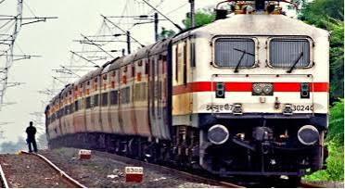
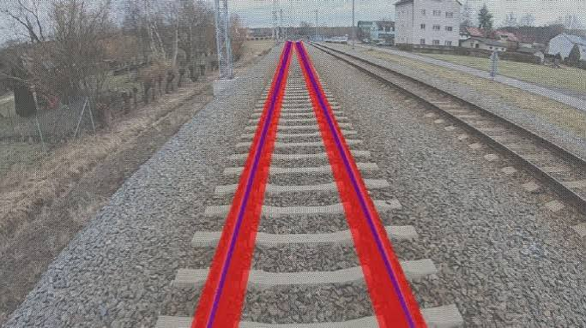
TRAIN SEGMENTATION ANALYSIS

YEARLY WISE SEALS
REASON WISE PRODUCT SALES

 | Total
2015 | 205362.724
2016 | 216048.89
2017 | 310312.9618
2018 | 351186.2429
 | Total
Central | 1156
East | 1369
South | 810
West | 1587

MONTH WISE SALES
RREASON WISE POSTAL

 | Total
Jan | 57k
Feb | 41k
Mar | 64k
Apr | 68k
May | 77k
Jun | 87k
Jul | 60k
Aug | 76k
Sep | 122k
Oct | 90k
Nov | 167k
Dec | 173k
 | Total
Central | 38736148
East | 12753825
South | 15032196
West | 74558062
Central | 22743690
East | 7104798
South | 8220840
West | 43784452
Central | 14117556
East | 4263661
South | 4386809
West | 27305539

